Config 1
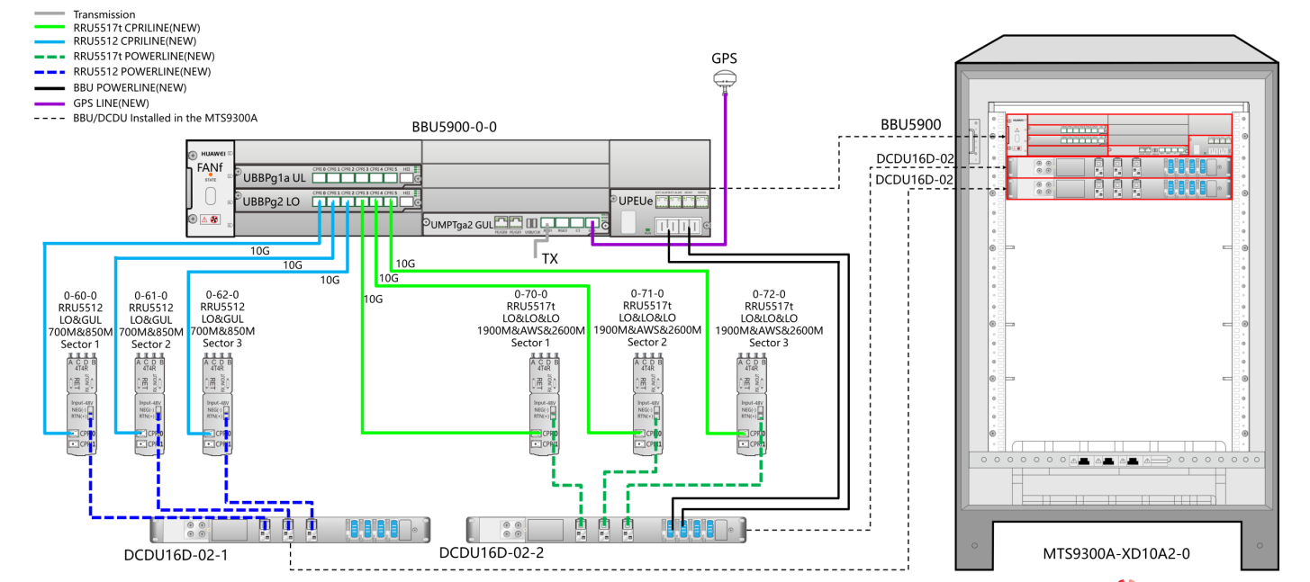

RRU5517t --> RRU5527et

Config 2
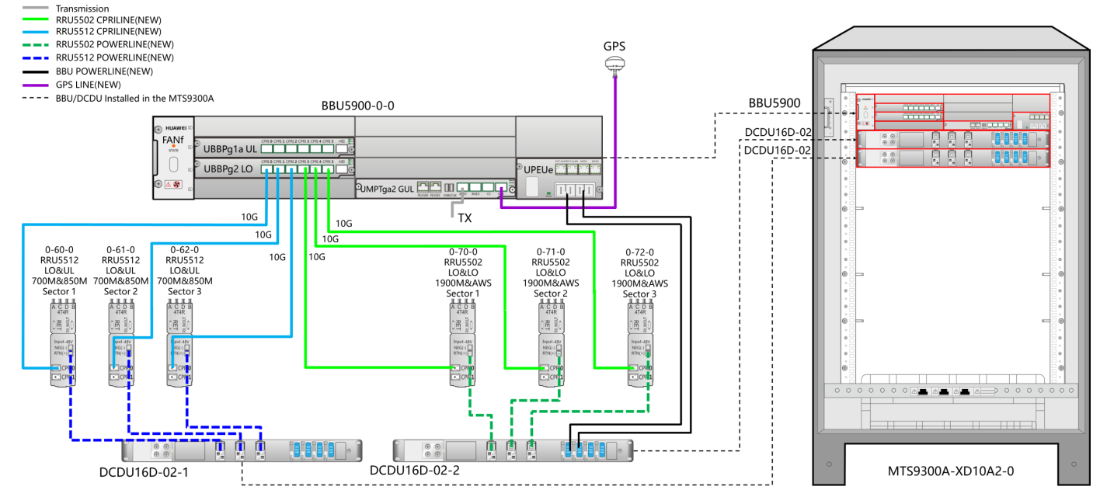

Slot 2 --> g2

Config 140
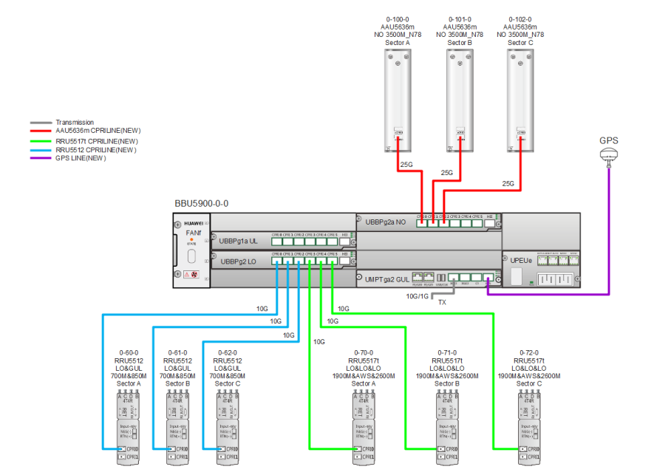

RRU5517t --> RRU5527et

Config 14
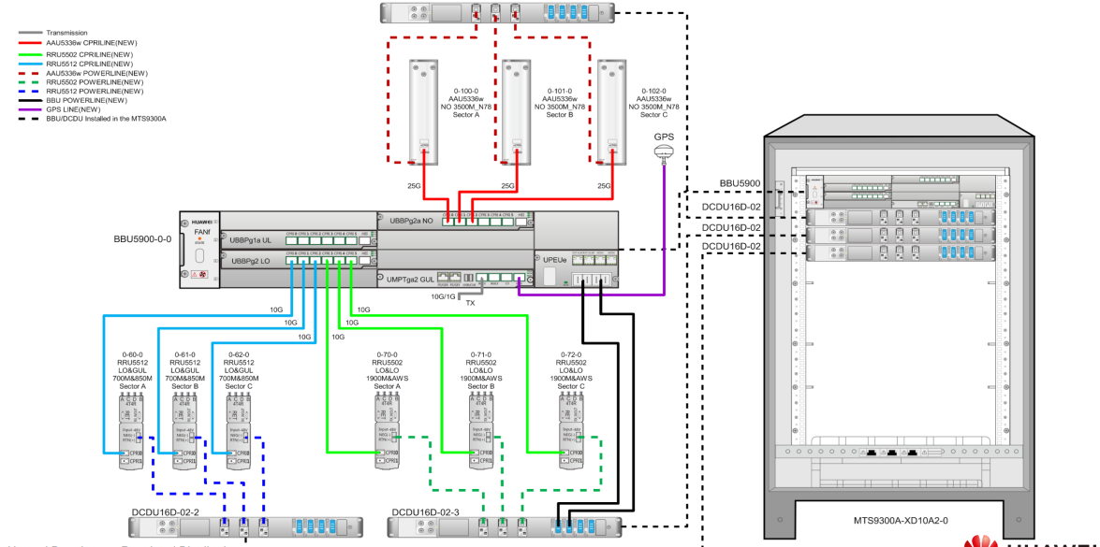
AAU5336w (32T) --> AAU5636m (64T)

Config 5
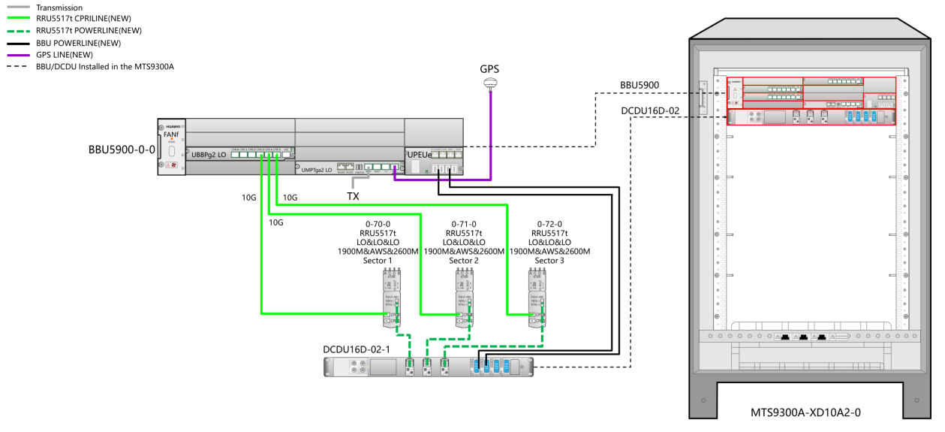
RRU5517t --> RRU5304w (2600)

Config 6
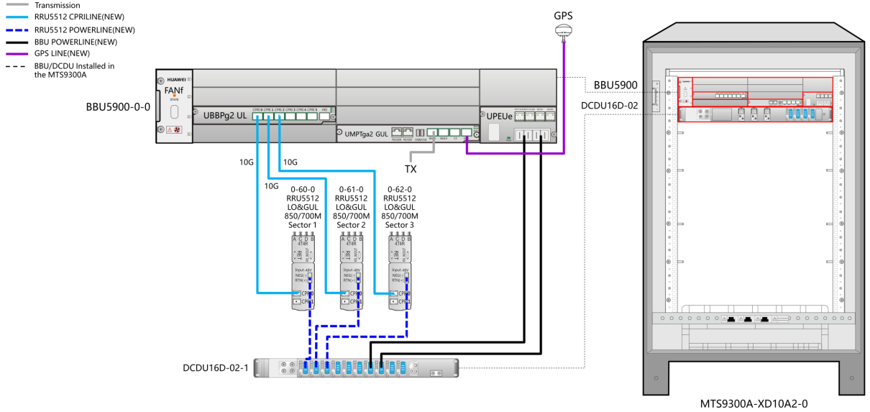

Config 18
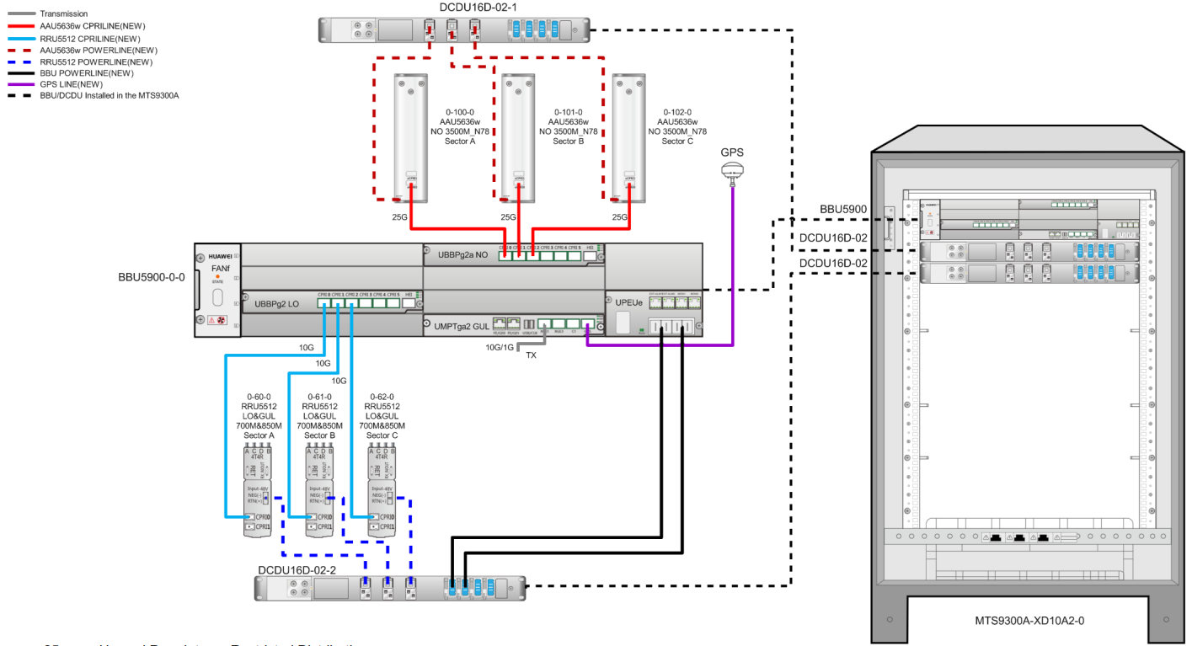
AAU5636w (64T) --> AAU5636m (64T)

Config 25
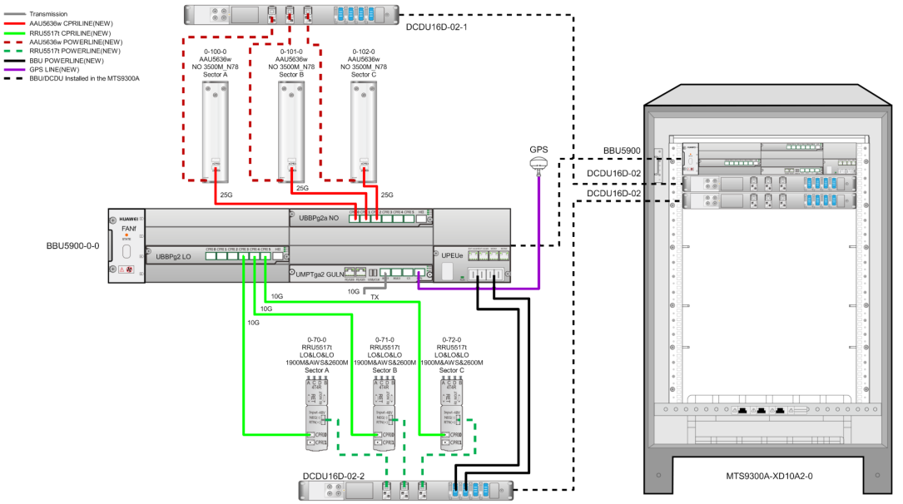
AAU5636w (64T) --> AAU5636m (64T)
RRU5517t --> RRU5304w (2600)

